Sheet1
 | Document No. |  | Issue No. | Issue Date |  | Review and Replace Date |  | Authorised By
 | GFF570MC |  | 1 | 29.07.2026 |  | New Issue
 | Document Title |  | DMG - 15 Vegetable Samosas XL 140G- 2100g-High Risk
 |  |  |  |  |  |  |  | Magda Shah
Document amendments reason for change | New Document |  | Page 1 of 1 |  | Previous Issue Date |  | New Issue | Uncontrolled copy unless signed original

FVSAJ-1B15BDM |  | DANORA - Musgraves |  |  | DMG - 15 Vegetable Samosas XL 140G- 2100g | FROZEN
STEP 1 |  |  |  |  | STEP 2
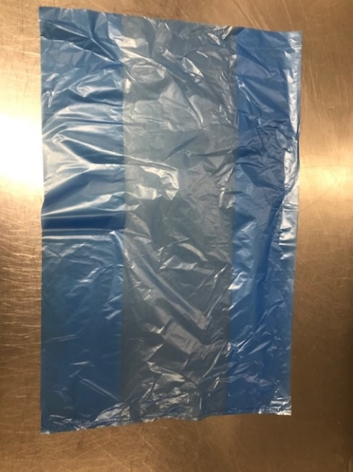
FROZEN
PACK + 1 year

Blue Bag: Blue Tint Bags Plain (FREEZER BAG) (PKPMC001-02) |  |  |  |  | Vegetable Samosa XL 140G(GFF039R): 15 Pieces (2100g)

STEP 3
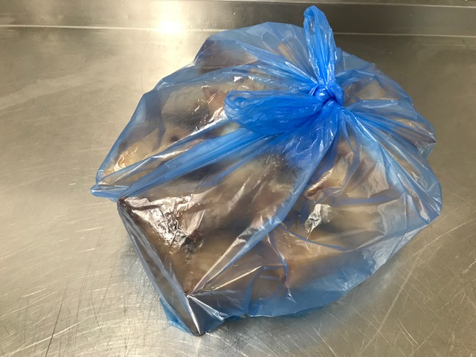
TOTAL WEIGHT: 2100g

ALLERGY ALERT: Wheat

